Illinois_Completion_Classifier
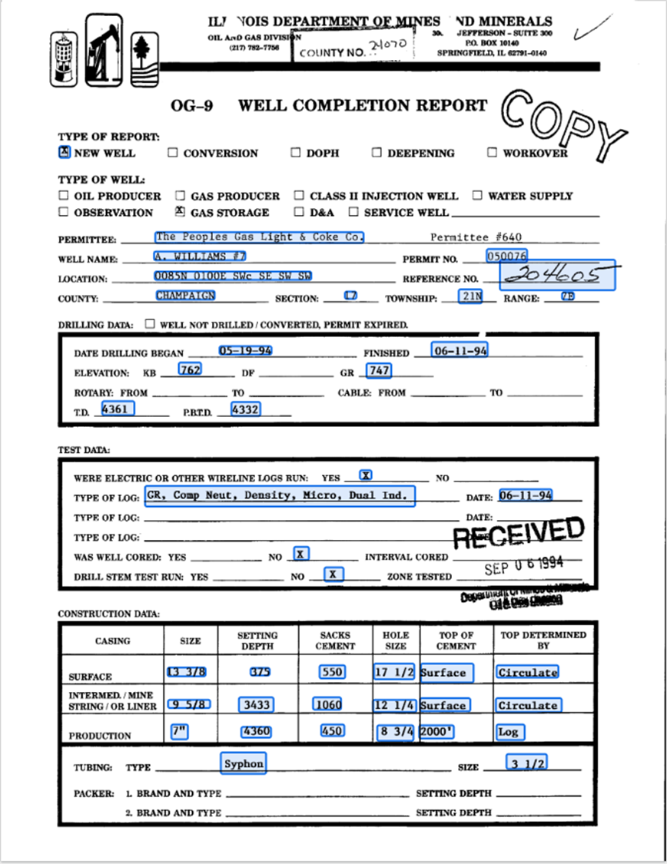
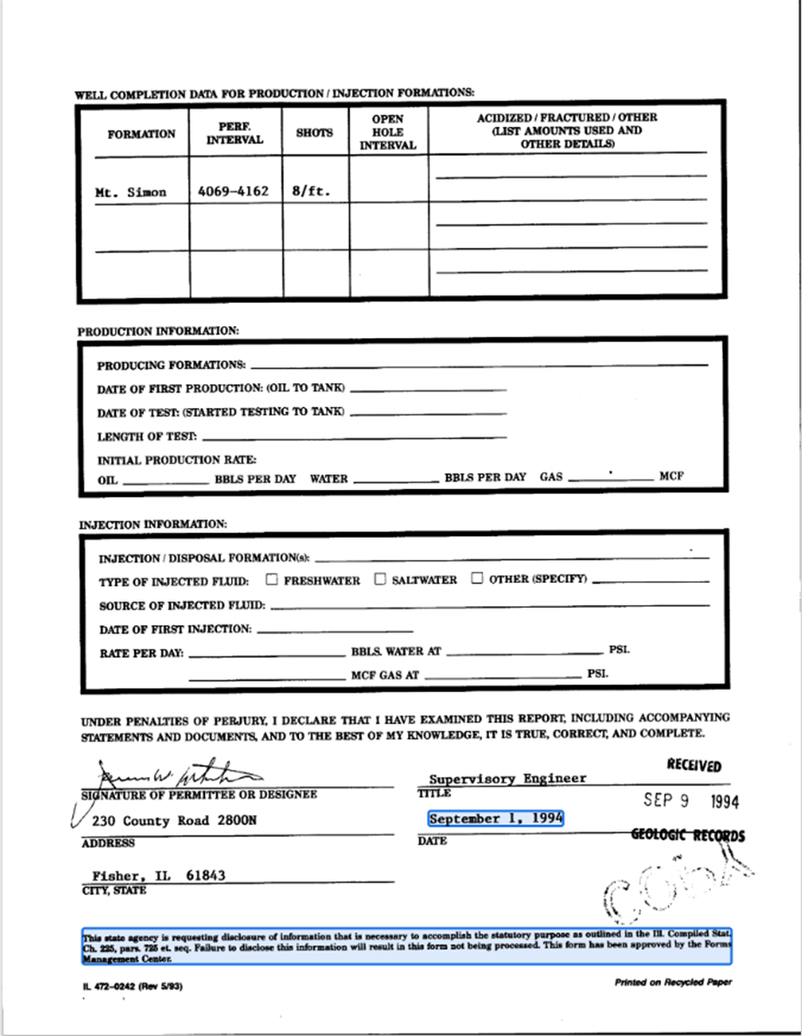
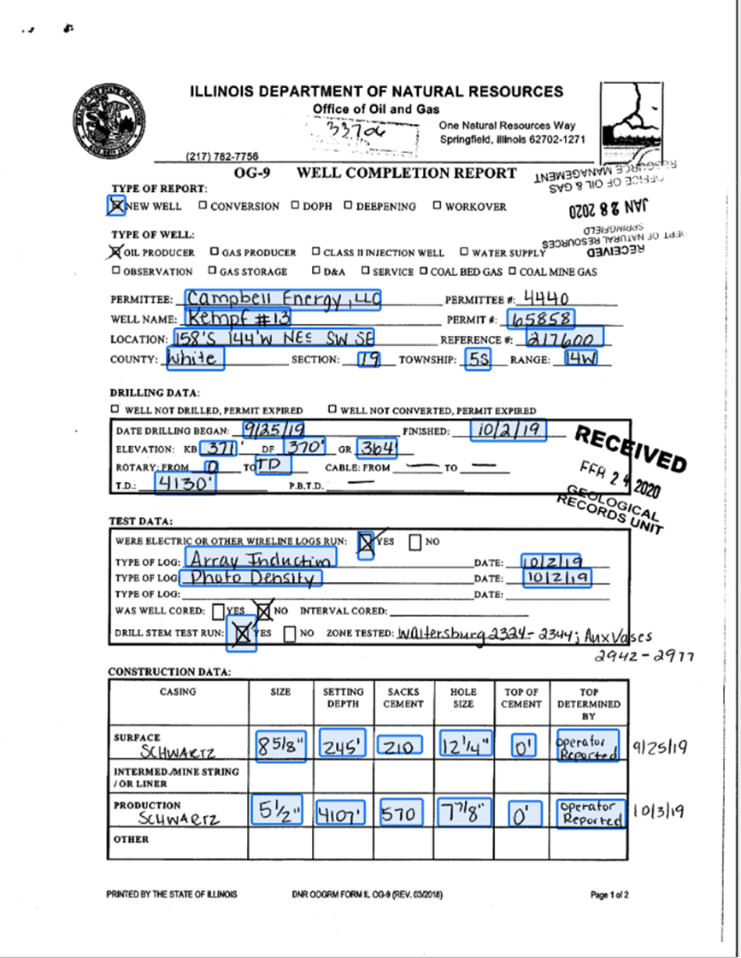
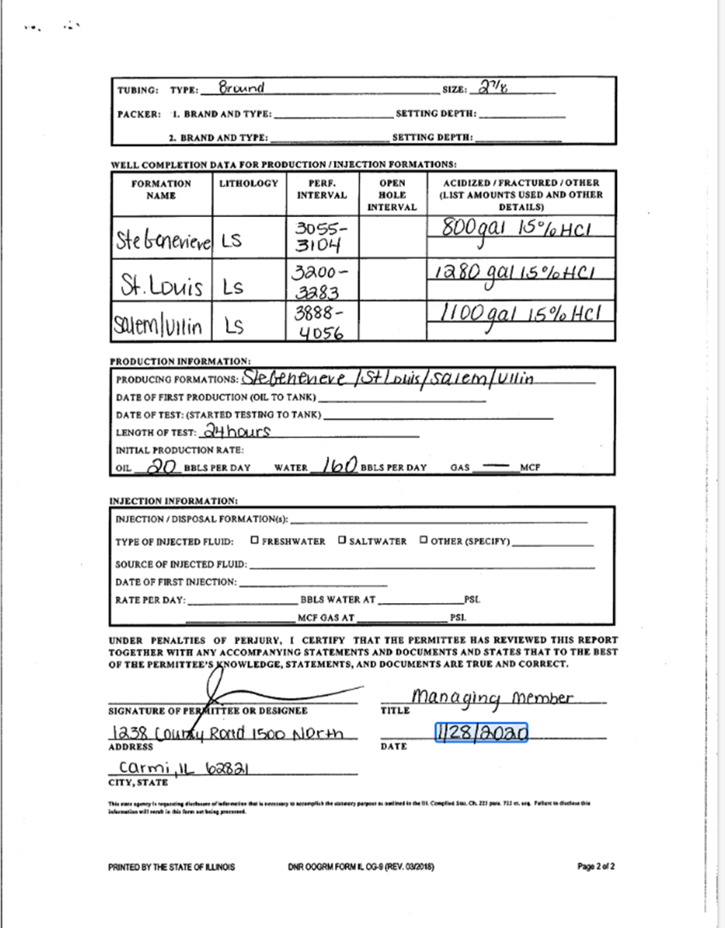
Name | Enabled | Follow-Up Processor
Completion_A | Yes | IL_Ver_A_WellCompletion
Completion_B | Yes | IL_Ver_A_WellCompletion
Completion_C | Yes | IL_Ver_B_WellCompletion
Completion_D | Yes | IL_Ver_B_WellCompletion
Completion_E | Yes | IL_Ver_B_WellCompletion
Completion_F | Yes | IL_WellCompletion_F
Completion_G | Yes | IL_WellCompletion_G

ISGS Well Completion Report Processors

IL_WellCompletion_F
IL_WellCompletion_G

IL_WellCompletion_V1_CDE
IL_WellCompletion_V3_A

Completion_F
One Page
Completion_G
One Page

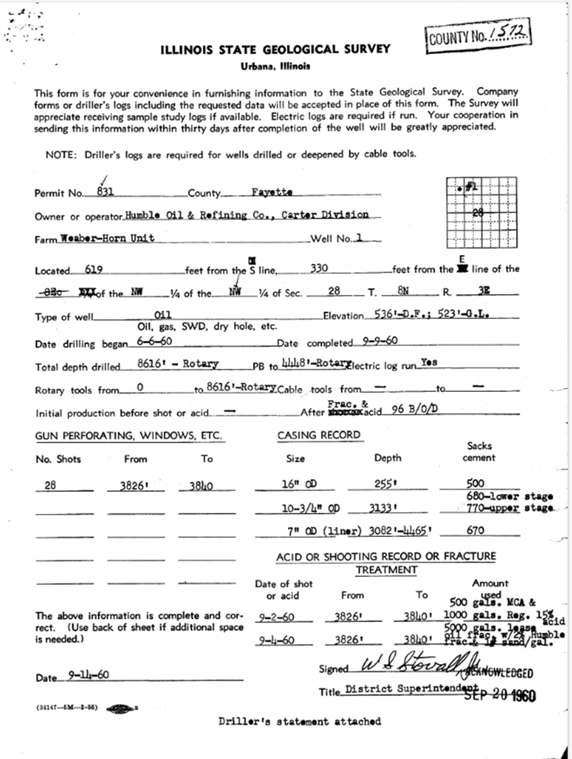
Completion_A
One Page
Completion_C
Two Pages
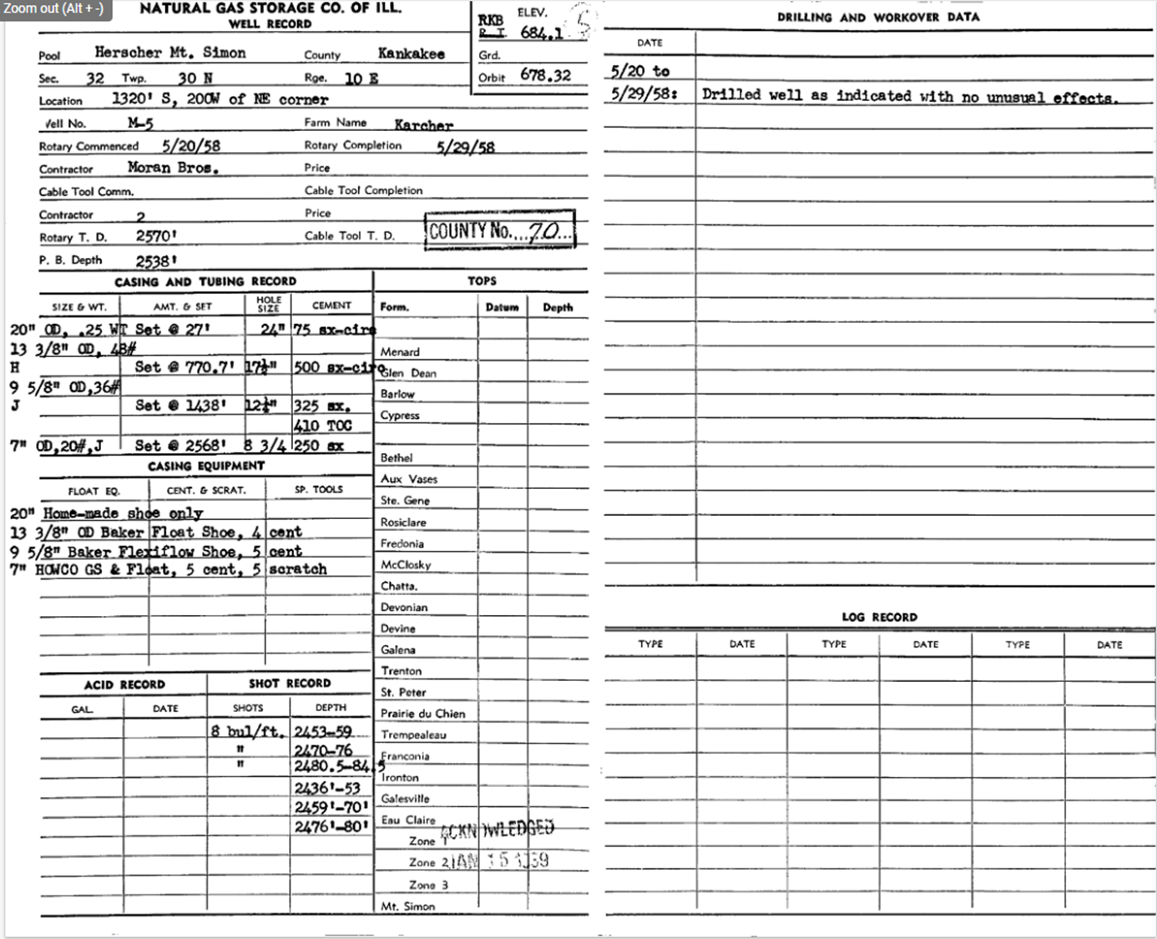

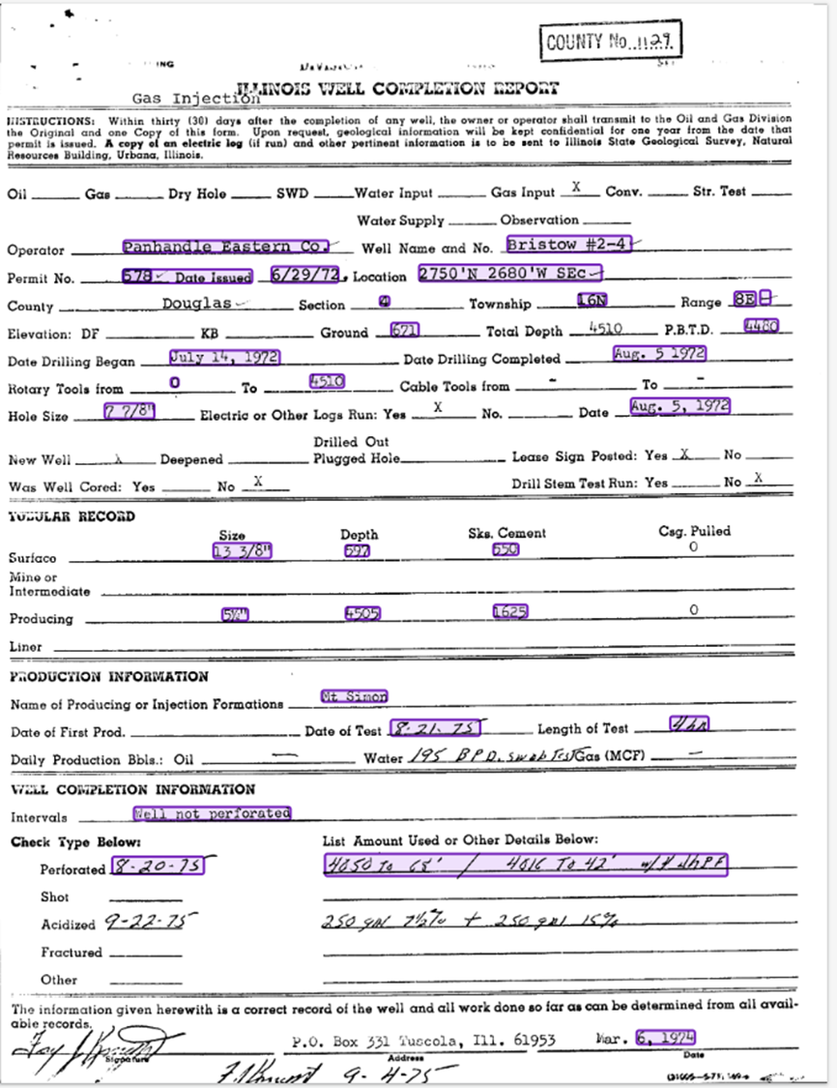
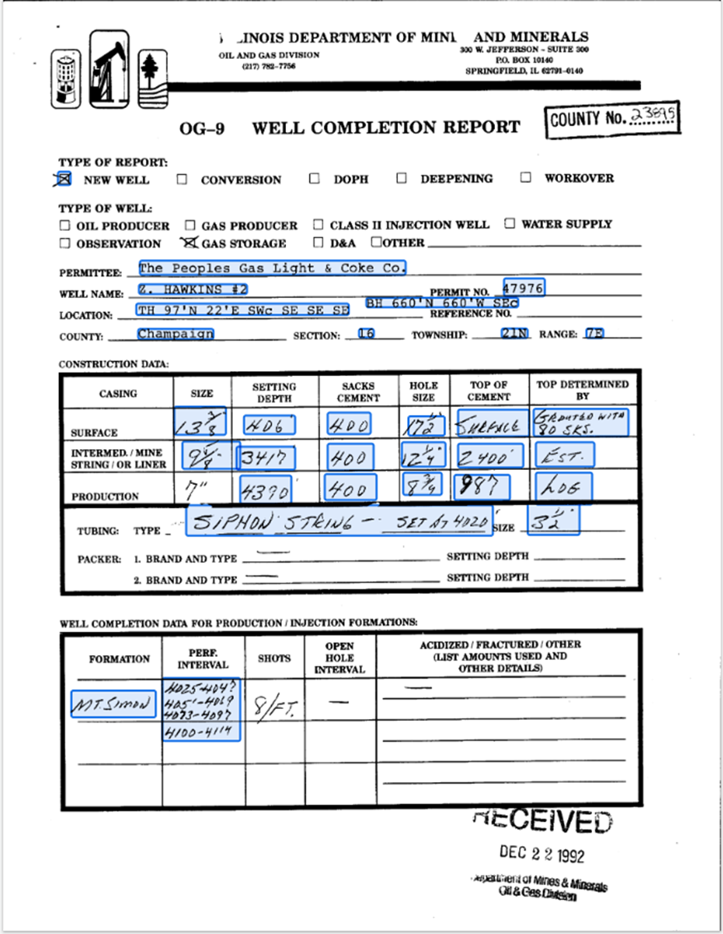
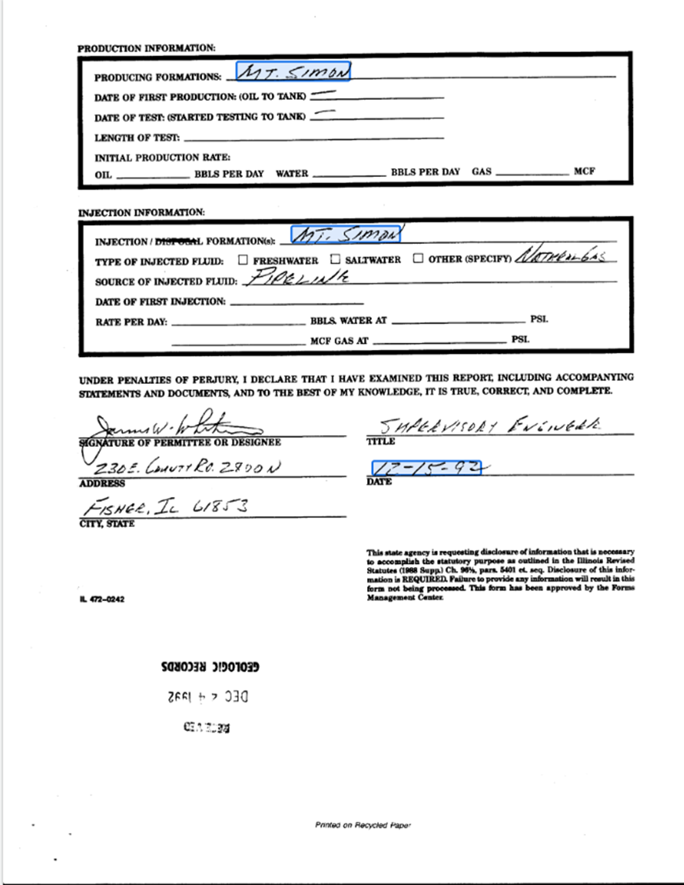

Completion_D
Two Pages
Completion_E
Two Pages

